SportsWear
IMAGE | BRAND LABEL | STYLE NUMBER | STYLE NAME | COLOR | S | M | L | XL | XXL | TOTAL QTY | COST | MSRP
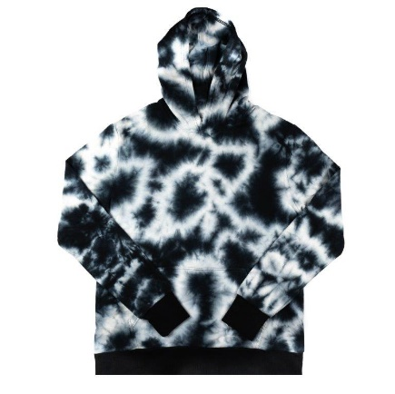 | Mister | MRHD022 | Acid Wash French Terry Hoodie | Black Combo | 163 | 321 | 331 | 157 | 87 | 1,059 | $40.00 | $80.00
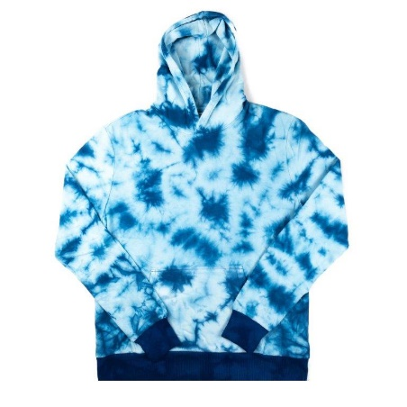 | Mister | MRHD022 | Acid Wash French Terry Hoodie | Ocean Combo | 164 | 349 | 326 | 169 | 81 | 1,089 | $40.00 | $80.00
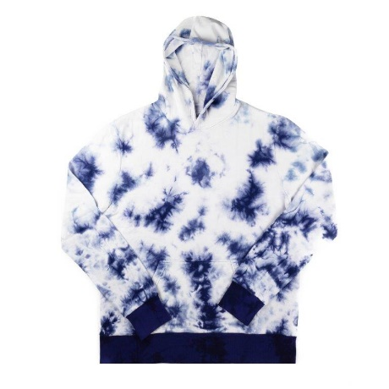 | Mister | MRHD022 | Acid Wash French Terry Hoodie | Navy Combo | 163 | 328 | 316 | 166 | 78 | 1,051 | $40.00 | $80.00
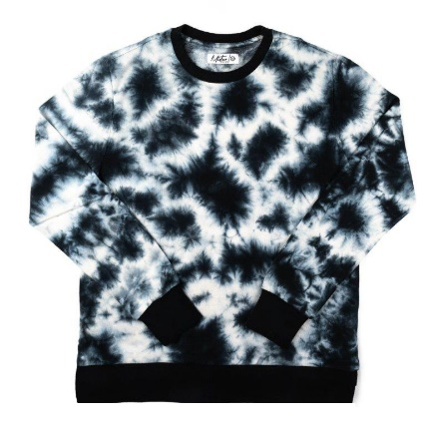 | Mister | MRPO022 | Acid Wash French Pullover | Black / White Combo | 145 | 289 | 286 | 143 | 69 | 932 | $40.00 | $80.00
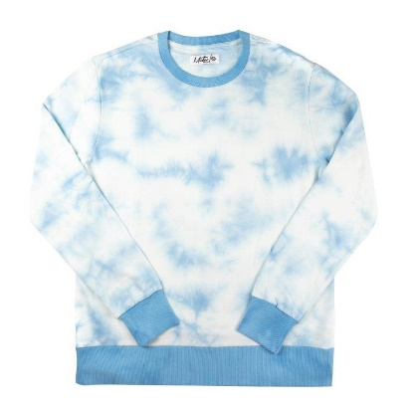 | Mister | MRPO022 | Acid Wash French Pullover | Steel Combo | 143 | 276 | 274 | 140 | 78 | 911 | $40.00 | $80.00
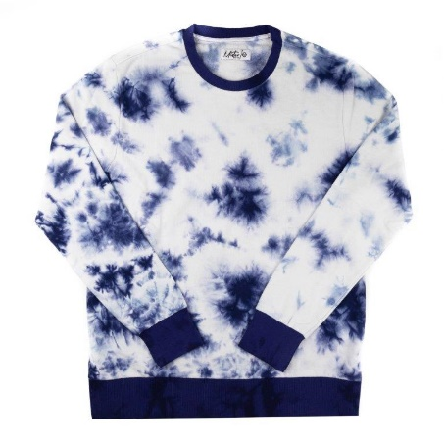 | Mister | MRPO022 | Acid Wash French Pullover | Navy Combo | 157 | 348 | 321 | 167 | 85 | 1,078 | $40.00 | $80.00
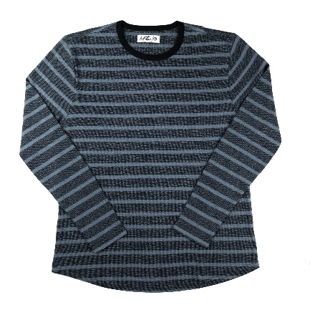 | Mister | MRLT005 | Reverse French Terry Lightweight Sweater | Black/Grey Stripes | 144 | 301 | 314 | 150 | 83 | 992 | $25.00 | $50.00
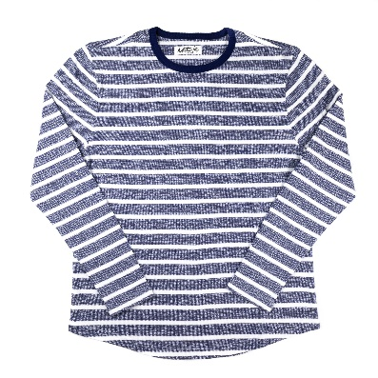 | Mister | MRLT005 | Reverse French Terry Lightweight Sweater | Navy/ White Stripes | 145 | 313 | 323 | 158 | 83 | 1,022 | $25.00 | $50.00
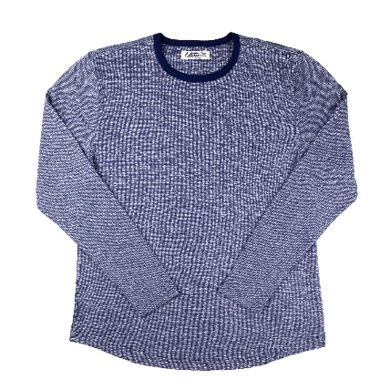 | Mister | MRLT005 | Reverse French Terry Lightweight Sweater | Navy Solid | 145 | 317 | 316 | 148 | 87 | 1,013 | $25.00 | $50.00
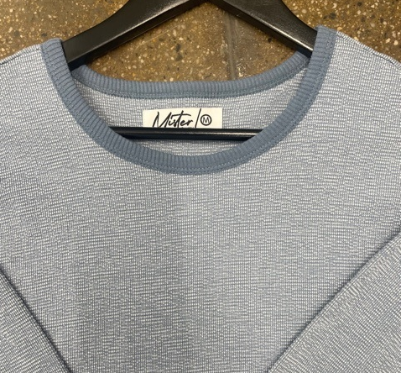 | Mister | MRLT005 | Reverse French Terry Lightweight Sweater | Slate Solid | 165 | 325 | 328 | 161 | 85 | 1,064 | $25.00 | $50.00
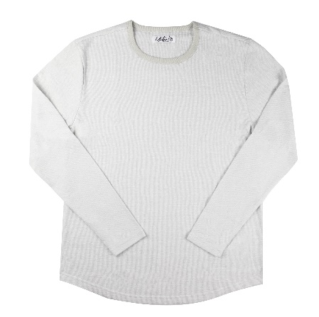 | Mister | MRLT005 | Reverse French Terry Lightweight Sweater | Sand Solid | 150 | 314 | 317 | 161 | 84 | 1,026 | $25.00 | $50.00
TOTAL |  |  |  |  |  |  |  |  |  | 11,237

