FT
 |  |  | _Comfort Elastic Waist _Pants: Slim + Tapered Leg _Secured Velcro Back Pocket with Brand Label _Durable Material _Shorts: Slim Leg - 7.5' Inseam _Stretch / Soft Knit
IMAGE | STYLE NUMBER | STYLE NAME | COLOR | S | M | L | XL | XXL | TOTAL QTY | COST | MSRP
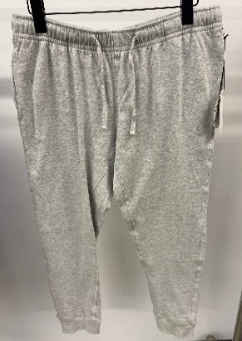 | MRFTJP-01 | French Terry Jogger Pant | Lt. Grey Heather | 159 | 314 | 314 | 176 | 350 | 1313 | $15.00 | $72.00 | 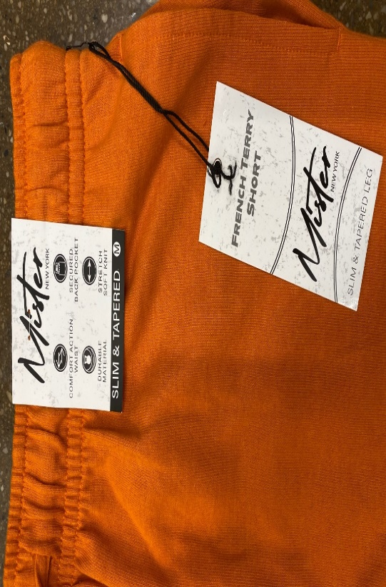 | 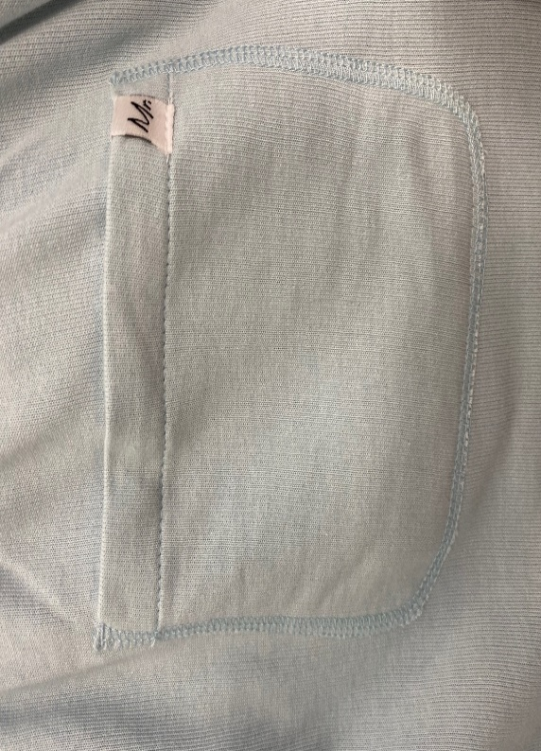
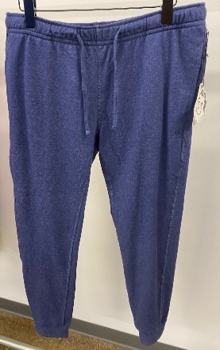 | MRFTJP-01 | French Terry Jogger Pant | Indigo Heather | 247 | 490 | 526 | 247 | 263 | 1773 | $15.00 | $72.00
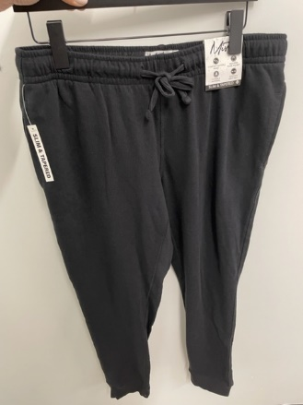 | MRFTJP-01 | French Terry Jogger Pant | Black | 69 | 134 | 148 | 110 | 71 | 532 | $15.00 | $72.00
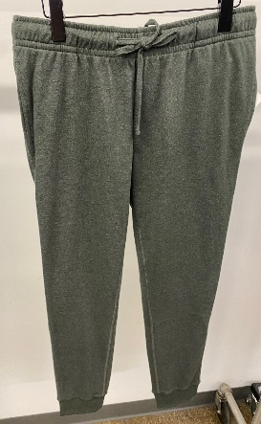 | MRFTJP-01 | French Terry Jogger Pant | Charcoal | 75 | 198 | 174 | 99 | 123 | 669 | $15.00 | $72.00
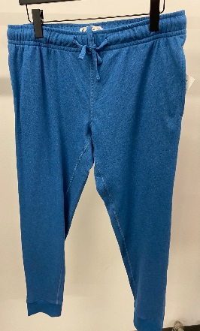 | MRFTJP-01 | French Terry Jogger Pant | Ocean | 348 | 792 | 501 | 247 | 256 | 2144 | $15.00 | $72.00
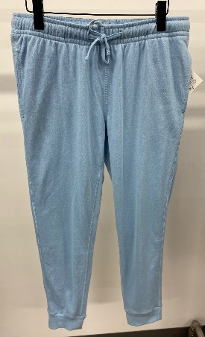 | MRFTJP-01 | French Terry Jogger Pant | Steel Blue | 281 | 494 | 487 | 288 | 246 | 1796 | $15.00 | $72.00
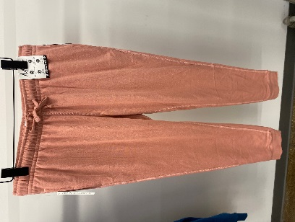 | MRFTJP-01 | French Terry Jogger Pant | Mauve | 215 | 430 | 430 | 208 | 217 | 1500 | $15.00 | $72.00
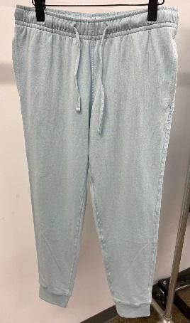 | MRFTJP-01 | French Terry Jogger Pant | Lt. Blue | 245 | 537 | 505 | 254 | 272 | 1813 | $15.00 | $72.00
TOTAL |  |  |  |  |  |  |  |  | 11,540

