Q3-Q4
 |  |  |  |  |  |  |  | 11025 ATS
IMAGE | Style # | STYLE NAME | COLOR | S | M | L | XL | XXL | TOTAL
 | MR-SLJ-02 | PRINTED LOUNGE JOGGER PANT | NAVY W/ STARS | 167 | 317 | 317 | 146 | 93 | 1040 | 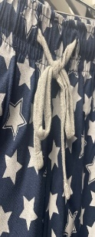
 | MR-SLJ-03 | PRINTED LOUNGE JOGGER PANT | GREY HEATHER W/ LIGHTNING | 182 | 364 | 364 | 146 | 114 | 1170
 | MR-SLJ-05 | PRINTED LOUNGE JOGGER PANT | NAVY W/ ROCKETS | 133 | 192 | 230 | 115 | 86 | 756 | 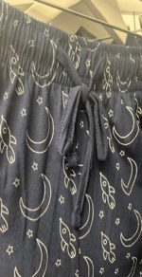
 | MR-SLJ-06 | WAFFLE KNIT JOGGER | NAVY | 74 | 115 | 134 | 32 | 42 | 397
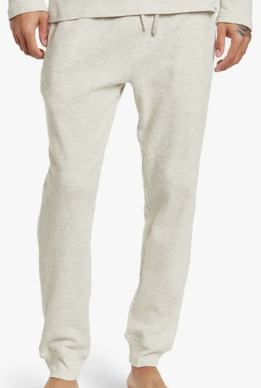 | MR-SLJ-06 | WAFFLE KNIT JOGGER | OATMEAL | 82 | 166 | 166 | 64 | 0 | 478
 | MR-SLP-01 | LOUNGE PANT | BLACK | 317 | 788 | 797 | 397 | 125 | 2424
 | MR-SLP-01 | LOUNGE PANT | LT. GREY | 347 | 562 | 639 | 271 | 132 | 1951
 | MR-SLP-01 | LOUNGE PANT | NAVY | 249 | 499 | 516 | 270 | 180 | 1714
 | MR-SLP-01 | LOUNGE PANT | OLIVE | 241 | 459 | 459 | 228 | 122 | 1509
 | MR-SLP-01 | LOUNGE PANT | OCEAN | 243 | 465 | 461 | 236 | 125 | 1530
 | MR-SLR-01 | COLOR BLOCK RAGLAN | BLACK/CHARCOAL | 58 | 130 | 124 | 0 | 0 | 312
 | MR-SLR-01 | COLOR BLOCK RAGLAN | LT. GREY/NAVY | 189 | 355 | 326 | 170 | 47 | 1087
 | MR-H22LS | LS BUTTONED HENLEY | OLIVE | 48 | 85 | 114 | 57 | 0 | 304
 | MR-H22LS | LS BUTTONED HENLEY | CHARCOAL | 67 | 90 | 116 | 48 | 0 | 321
 | MR-H22LS | LS BUTTONED HENLEY | ROYAL BLUE | 179 | 323 | 332 | 172 | 96 | 1102
 | MR-H22LS | LS BUTTONED HENLEY | SAND | 162 | 334 | 278 | 156 | 51 | 981
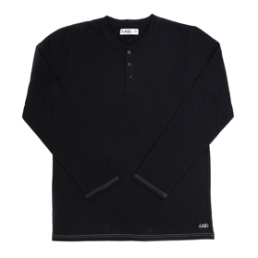 | MR-H22LS | LS BUTTONED HENLEY | BLACK | 106 | 225 | 213 | 125 | 1 | 670
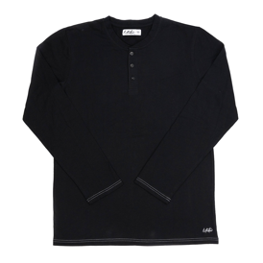 | MR-PC22LS | LS CREW NECK POCKET TEE | BLACK | 2 | 0 | 0 | 0 | 0 | 2
 | MR-PC22LS | LS CREW NECK POCKET TEE | INDIGO HEATHER | 35 | 77 | 77 | 40 | 0 | 229
 | MR-PC22LS | LS CREW NECK POCKET TEE | OLIVE | 69 | 133 | 135 | 66 | 0 | 403
 | MR-SLSS-02 | SS PRINTED POCKET TEE | NAVY W/ STARS | 153 | 308 | 300 | 71 | 12 | 844 | 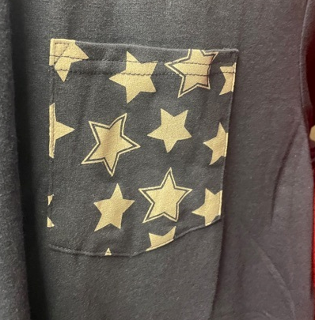
 | MR-SLSS-03 | SS PRINTED POCKET TEE | GREY HEATHER W/ LIGHTNING | 152 | 307 | 301 | 150 | 67 | 977
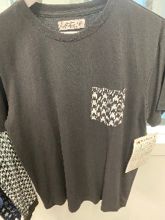 | MR-SLSS-04 | SS PRINTED POCKET TEE | BLACK W/HOUNDSTOOTH | 64 | 96 | 114 | 10 | 38 | 322
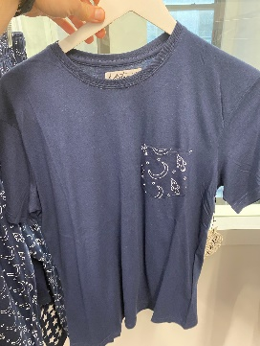 | MR-SLSS-05 | SS PRINTED POCKET TEE | NAVY W/ ROCKETS | 122 | 237 | 244 | 120 | 89 | 812 | 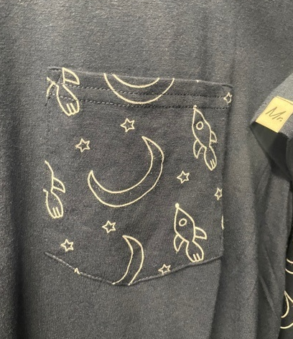
 | MR-H22SS | SS BUTTONED HENLEY | OLIVE | 74 | 148 | 168 | 69 |  | 459
 | MR-H22SS | SS BUTTONED HENLEY | ROYAL BLUE | 134 | 235 | 254 | 140 | 0 | 763
 | MR-H22SS | SS BUTTONED HENLEY | SAND | 16 | 31 | 51 | 64 | 0 | 162
 |  |  |  |  |  |  |  |  | 22,719

