Sheet1
 | Technical Shorts & Technical Pants _Premium 4Way Fabrication _Technical Details, Rubber Snap, Hidden Zip Pockets |  |  |  |  |  |  | #2014 Pre Pack: 1/2/2/1/1
Image | STYLE # | STYLE NAME | COLOR | 30 | 32 | 34 | 36 | 38 | TOTAL | MSRP
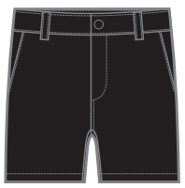 | MR-TS22-02 | TECHNICAL SHORT | BLACK | 185 | 372 | 372 | 185 | 185 | 1,299 | $78.00 | 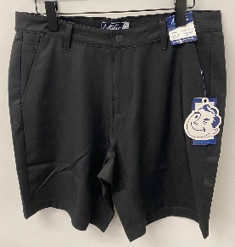
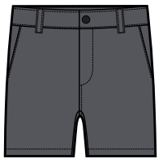 | MR-TS22-02 | TECHNICAL SHORT | CHARCOAL | 254 | 520 | 520 | 260 | 266 | 1,820 | $78.00 | 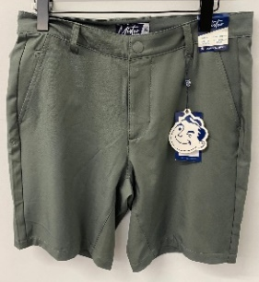
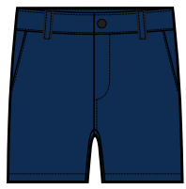 | MR-TS22-02 | TECHNICAL SHORT | MIDNIGHT | 274 | 580 | 596 | 290 | 290 | 2,030 | $78.00 | 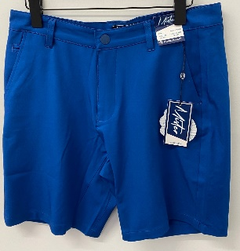
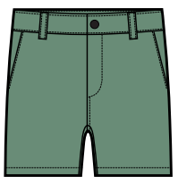 | MR-TS22-02 | TECHNICAL SHORT | SAGE | 148 | 312 | 320 | 156 | 156 | 1,092 | $78.00 | 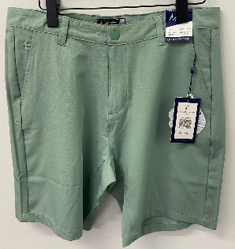
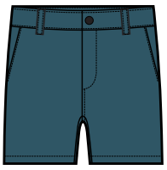 | MR-TS22-02 | TECHNICAL SHORT | CYAN BLUE | 208 | 416 | 416 | 208 | 208 | 1,456 | $78.00
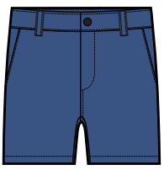 | MR-TS22-02 | TECHNICAL SHORT | PERIWINKLE | 258 | 516 | 516 | 258 | 258 | 1,806 | $78.00 | 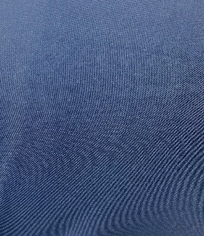
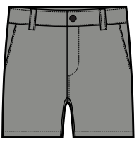 | MR-TS22-02 | TECHNICAL SHORT | WARM GREY | 156 | 314 | 314 | 156 | 156 | 1,096 | $78.00 | 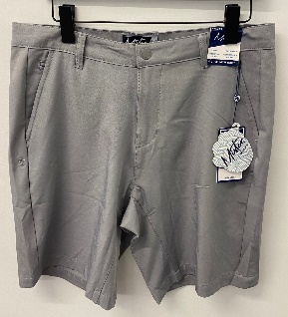
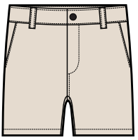 | MR-TS22-02 | TECHNICAL SHORT | TAN | 259 | 518 | 518 | 259 | 259 | 1,813 | $78.00 | 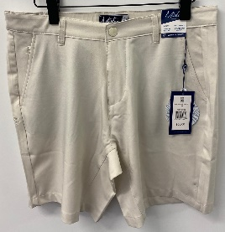
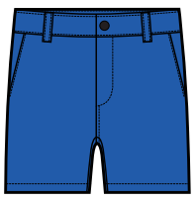 | MR-TS22-02 | TECHNICAL SHORT | ELECTRIC BLUE | 251 | 512 | 512 | 256 | 251 | 1,782 | $78.00
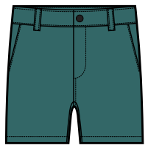 | MR-TS22-02 | TECHNICAL SHORT | CHALKY GREEN | 160 | 320 | 320 | 160 | 160 | 1,120 | $78.00
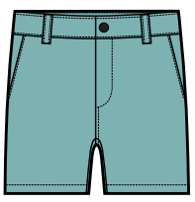 | MR-TS22-02 | TECHNICAL SHORT | DARK SKY | 108 | 216 | 216 | 108 | 108 | 756 | $78.00 | 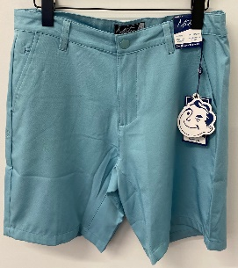
 |  |  |  |  |  |  |  |  | 16,070
 | MR-TP22-01 | TECHNICAL PANT | BLACK | 85 | 168 | 170 | 85 | 85 | 593 | $85.00 | 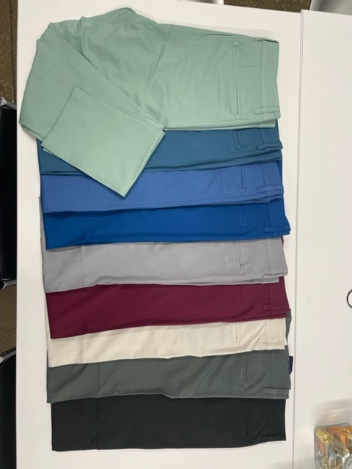
 | MR-TP22-01 | TECHNICAL PANT | CHARCOAL | 55 | 110 | 111 | 56 | 56 | 388 | $85.00
 | MR-TP22-01 | TECHNICAL PANT | MIDNIGHT | 343 | 686 | 686 | 343 | 343 | 2,401 | $85.00 | 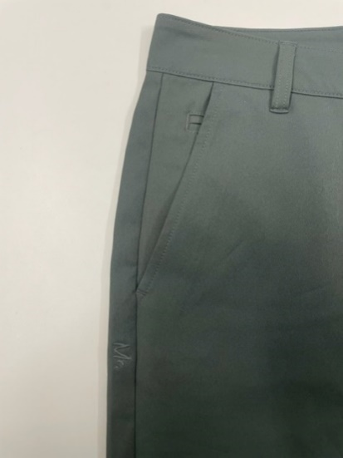 | 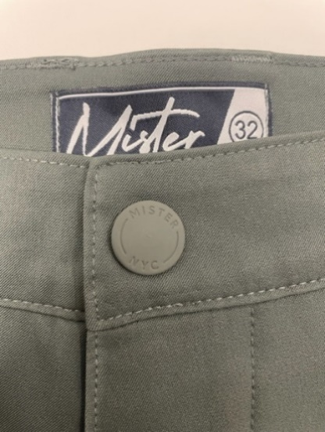 | 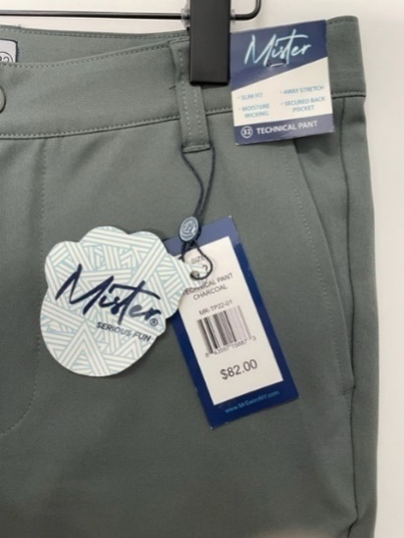
 | MR-TP22-01 | TECHNICAL PANT | SAGE | 257 | 514 | 516 | 258 | 258 | 1,803 | $85.00 | 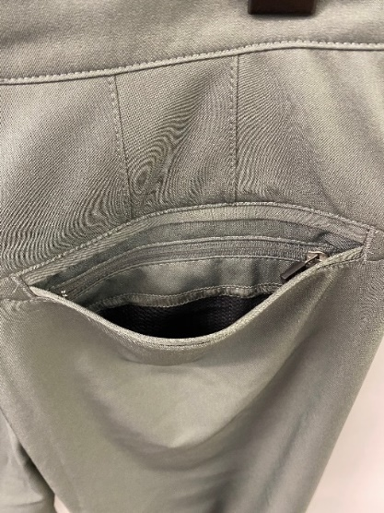
 | MR-TP22-01 | TECHNICAL PANT | PERIWINKLE | 256 | 512 | 514 | 257 | 257 | 1,796 | $85.00 |  | 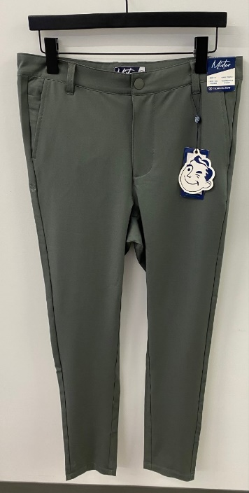 | 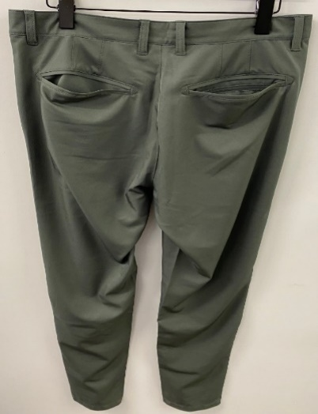
 | MR-TP22-01 | TECHNICAL PANT | WARM GREY | 343 | 686 | 686 | 343 | 343 | 2,401 | $85.00
 | MR-TP22-01 | TECHNICAL PANT | TAN | 344 | 686 | 688 | 344 | 344 | 2,406 | $85.00
 | MR-TP22-01 | TECHNICAL PANT | BURGUNDY | 172 | 344 | 344 | 172 | 172 | 1,204 | $85.00
 |  |  |  |  |  |  |  |  | 12,992

