VENDOR PACKING LIST
BLP WARM FASHIONS LTD.
RAHMAN TOWER, NO 1 RAIL GATE, MURADPUR, CHITTAGONG, BANGLADESH.
Vessel Schedule : ETD CGP : & ETA :
S/A #
Container No :
Packing List
PO# | Style# | Label | Color | Prepack | SIZE BREAKDOWN
 |  |  |  |  | PCS | S | M | L | XL | Pieces | CARTON | CARTON NOS |  |  | INCH |  |  | CM |  |  | CS Cubes/ FT | CS Weight/ LBS | NET WT.KGS PER CTN | TTL NET WT.KGS | GROSS WT.KGS PER CTN | TTL GROSS WT.KGS
Enter PO # | Enter Style # | Enter Label | Enter Color | Enter PPK | CARTON |  |  |  |  | Enter PCS |  |  |  |  | Length | Width | Height | Length | Width | Height
78301 | RS523808 | SA | LODEN FROST | 1221 | 24 | 1 | 2 | 2 | 1 | 312 | 13 | 1 | TO | 13 | 15.00 | 15.35 | 13.39 | 49.00 | 39.00 | 34.00 | 0.84 | 279.43 | 8.25 | 107.25 | 9.75 | 126.75
 |  | SA | CINNABAR | 1221 | 24 | 1 | 2 | 2 | 1 | 384 | 16 | 14 | TO | 29 | 15.00 | 15.35 | 13.39 | 49.00 | 39.00 | 34.00 | 1.04 | 343.92 | 8.25 | 132.00 | 9.75 | 156.00
S/T O T A L= |  |  |  |  |  |  |  |  |  |  |  |  |  |  |  |  |  |  |  |  |  | 623.35 |  | 239.25 |  | 282.75
G/T O T A L= |  |  |  |  |  |  |  |  |  | 696.00 | 29.00 |  |  |  |  |  |  |  |  |  | 1.88

 |  |  | 12GG
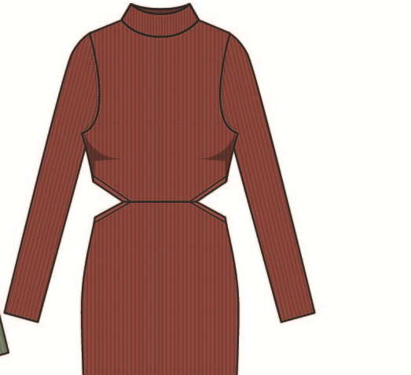
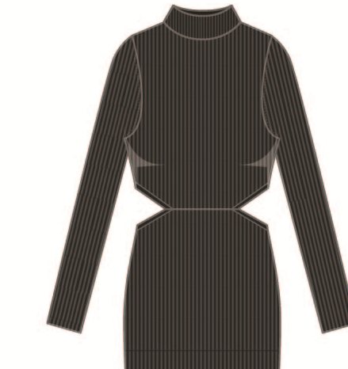

 |  |  | BLACK |  |  |  |  |  | CINNABAR
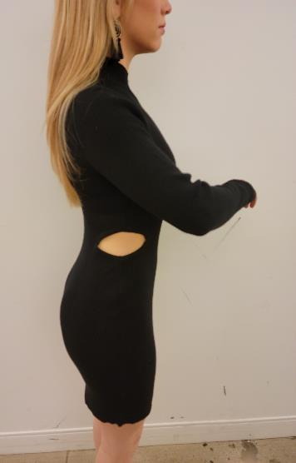
 | YARN CONTENT: VISCOSE/NYLON
 | Gauge: 12 gg

Point of Measurement
 |  |  | Tol +/- |  | S | M | L | XL
Front Body Length- HPS to CF Hem |  |  | 0.5 |  | 33 | 33.5 | 34 | 34.5
Back body Length - HPS to CB Hem |  |  | 0.5 |  | 33 | 33.5 | 34 | 34.5
Shoulder Slope |  |  | 0.125 |  | 1 | 1 | 1 | 1
Across Shoulder - Seam to Seam |  |  | 0.25 |  | 12.5 | 13 | 13.5 | 14
Across Front Body - 5" from HPS |  |  | 0.25 |  | 10 | 10.5 | 11 | 11.5
Across Back Body - 5" from HPS |  |  | 0.25 |  | 10.5 | 11 | 11.5 | 12
Bust 1" below Armhole |  |  | 0.25 |  | 12 | 13 | 14 | 15
Waist - 15 1/2" from HPS |  |  | 0.25 |  | 12 | 13 | 14 | 15
High Hip - 20" from HPS |  |  | 0.25 |  | 13 | 14 | 15 | 16
Sweep - Straight at Edge |  |  | 0.25 |  | 14 | 15 | 16 | 17
Bottom Hem Height - QUICK START |  |  | 0.125 |  |  | Q.S
Neck Width - Seam to Seam |  |  | 0.25 |  | 6.25 | 6.5 | 6.75 | 7
Front Neck Drop -HPS to Seam |  |  | 0.125 |  | 2.25 | 2.5 | 2.75 | 3
Back Neck Drop -HPS to Seam |  |  | 0.125 |  | 1 | 1 | 1 | 1
Neck Trim Width - quick Start 1 x 1 rib |  |  | 0.125 |  | 2 | 2 | 2 | 2
Armhole Depth from HPS to Seam |  |  | 0.25 |  | 8.75 | 9.125 | 9.5 | 9.875
Armhole - Straight |  |  | 0.25 |  | 7.75 | 8 | 8.25 | 8.5
Sleeve Length - from Shoulder |  |  | 0.25 |  | 22.5 | 22.75 | 23 | 3.25
Sleeve inseam |  |  |  |  | G/A | 17.75 | G/A | G/A
Muscle - 1" below A/H |  |  | 0.25 |  | 4.75 | 5 | 5.25 | 5.5
Forearm - @7" up from Cuff Edge |  |  | 0.25 |  | 3.75 | 4 | 4.25 | 4.5
Sleeve opening @ Edge |  |  | 0.25 |  | 3 | 3.25 | 3.5 | 3.75
Sleeve/ Cuff Hem - quick Start 1 x 1 rib |  |  | 0.25 |  | 0.25 | 0.25 | 0.25 | 0.25
Side Cut out height (edge to Edge) |  |  | 0.25 |  | 1.25 | 1.25 | 1.25 | 1.25
Side Cut out Length frm seam ot edge (see detail) |  |  | 0.25 |  | 2.5 | 2.5 | 2.5 | 2.5
Cut out plcmnt from A/H seam |  |  | 0.125 |  | 4.875 | 5 | 5.125 | 5.25
Front Panel Width at Waist Seam |  |  | 0.25 |  | 6.75 | 7.25 | 7.75 | 8.25
Front Panel Width at Bottom Hem Edge |  |  | 0.25 |  | 6 | 6.5 | 7 | 7.5
GARMENT WEIGHT -LBS/DZ |  |  | 0.125

