衬衫成衣 (2)
图片 | STYLE NO | STYLE | FABIRC | COLOR | SIZE | 有无衣架+防盗扣 | QTY
 | I23CAMONLYBRW | MANS FLANNEL SHIRTS | 100% COTTON 160GSM | YELLOW/BLACK | S-M-L-XL-2XL : 2-4-4-4-2 | WITH HANGER | 1280
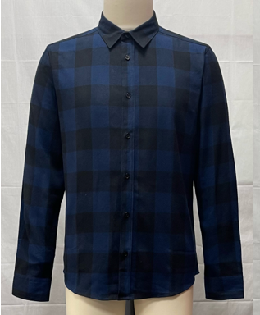 | I23CAMONLYBLU | MANS FLANNEL SHIRTS | 100% COTTON 160GSM | BLUE/BLACK | S-M-L-XL-2XL : 2-4-4-4-2 | WITH HANGER | 1280
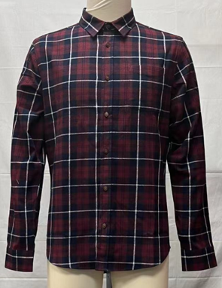 | I23-CAMESCOREDACU | MANS FLANNEL SHIRTS | 100% COTTON 160GSM | RED | S-M-L-XL-2XL : 2-4-4-4-2 | WITH HANGER | 1264
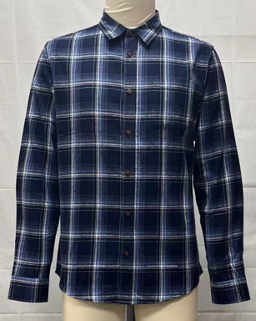 | I23-CAMESCOBLUACU | MANS FLANNEL SHIRTS | 100% COTTON 160GSM | BLUE | S-M-L-XL-2XL : 2-4-4-4-2 | WITH HANGER | 1280
 |  |  |  |  |  |  | 5104

