AT
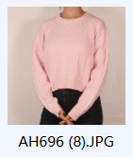
AH696 | 50%rayon 30%polyester 20%nylon |  |  |  | USD2.45
COLOURS | S | M | L | XL | TOTAL
GREY | 650 | 1350 | 1350 | 650 | 4000
PINK | 650 | 1350 | 1350 | 650 | 4000
BLUE | 190 | 410 | 410 | 190 | 1200
TOTAL |  |  |  |  | 9200

